TASK 1
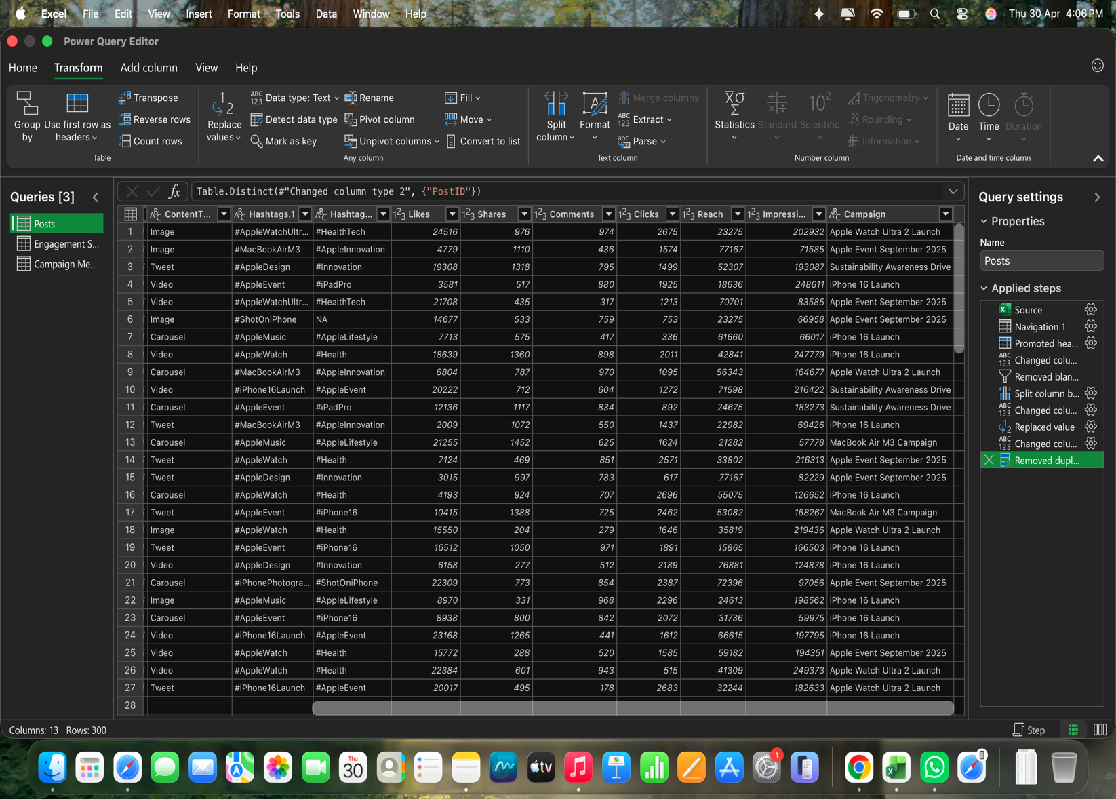
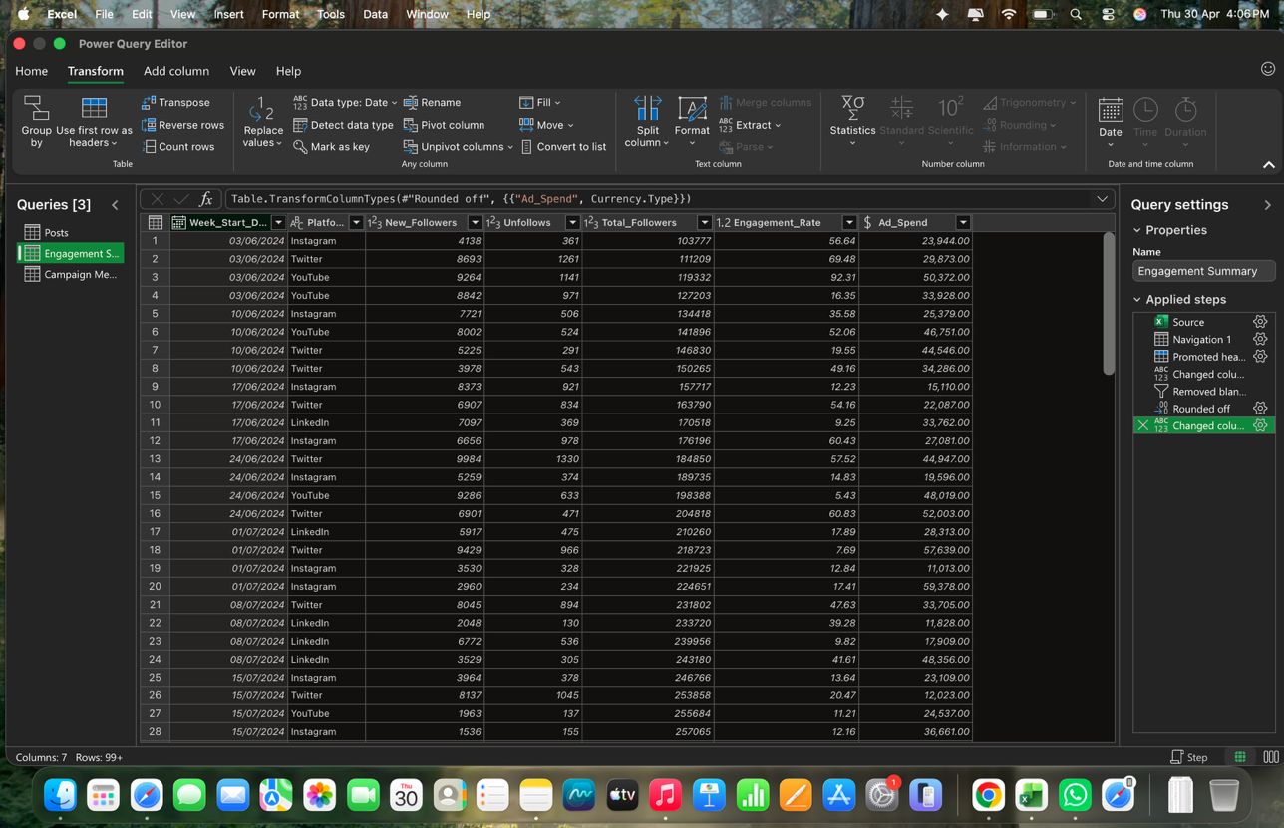
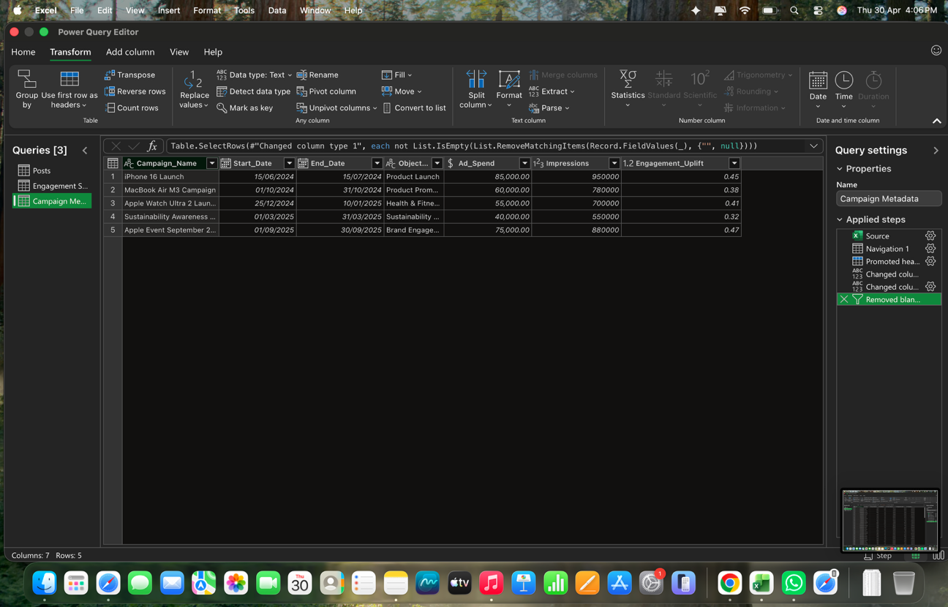
TASK 1
1. Identified and Remove the duplicate Rows by using power query editor.
2. Identified and replace the empty value with "NA" from the Data set to ensure that there were no gap or missing Data points.
3. Formatted numeric columns like Reach, Impression, and Ad spend
4. Standardize the date & platform names.
4. I split the hashtag column into separate colums i.e. Hashtags1, Hashtags2.
6. Freezed the Top Row, while scrolling it can be shown at any point .

TASK 2
TASK 2
1. calculated the engagement rate for each Post using formula : (likes +shares+comments)/Impressions
2. Created a Pivot table to calculate the average engagement rate by platform (instagram, LinkedIn, Twitter, and YouTube ).
3. Identified the top 10 Apple Post with the highest engagement by sorting Posts based on engagement rate .
4. Created a Pivot table showing the total likes, shares, and comments by content type and platform.
5. Analyzed performance of different content format, such as carousel, image, tweet, and video across all platforms.
6. Created another pivot table to calculate the average likes per post by hashtag
7. Identified the TOP performing hashtags on the basis of average of impressions.
AVERAGE ENGAGEMENT RATE PER PLATFORM |  | TOTAL COMMENTS,SHARES & LIKES BY CONTENT TYPE & PLATFORM |  |  |  | AVERAGE CLICKS PER POST BY HASHTAGS

Platform | Average of Engagement Rate | PLATFORM & CONTENT TYPE | Sum of Comments | Sum of Shares | Sum of Likes | HASHTAGS | Average of CLICKS
YouTube | 0.1122 | YouTube | 42629 | 67460 | 948258 | #AppleDesign | 1592.72
Twitter | 0.1389 | Carousel | 13714 | 24668 | 279732 | #AppleEarth | 1459.31
LinkedIn | 0.1241 | Image | 8277 | 10604 | 195079 | #AppleEvent | 1639.23
Instagram | 0.1178 | Tweet | 8101 | 14136 | 187129 | #AppleInnovation | 1680.36
Grand Total | 0.1228 | Video | 12537 | 18052 | 286318 | #AppleLifestyle | 1463.29
 |  | Twitter | 39273 | 59661 | 1037623 | #AppleMusic | 1463.29
 |  | Carousel | 14381 | 21298 | 394886 | #AppleWatch | 1711.51
 |  | Image | 6092 | 7832 | 148676 | #AppleWatchUltra2 | 1674.96
TOP 10 APPLE POST WITH HIGHEST ENAGEMENT |  | Tweet | 9160 | 15862 | 249305 | #Health | 1711.51
 |  | Video | 9640 | 14669 | 244756 | #HealthTech | 1674.96
POST ID | Sum of Engagement Rate | LinkedIn | 49700 | 70960 | 1134366 | #Innovation | 1592.72
A82 | 0.4905 | Carousel | 12611 | 18856 | 246297 | #iPadPro | 1477.26
A201 | 0.4880 | Image | 14305 | 19905 | 329722 | #iPhone16 | 1579.44
A121 | 0.4549 | Tweet | 11014 | 17963 | 279588 | #iPhone16Launch | 1811.31
A127 | 0.4166 | Video | 11770 | 14236 | 278759 | #iPhonePhotography | 1706.76
A13 | 0.4038 | Instagram | 40786 | 63205 | 947196 | #MacBookAirM3 | 1680.36
A123 | 0.3940 | Carousel | 13676 | 16508 | 278757 | #MacBookProM3 | 1289.41
A287 | 0.3676 | Image | 10389 | 18753 | 218031 | #ShotOniPhone | 1662.34
A226 | 0.3541 | Tweet | 9295 | 14750 | 206053 | #Sustainability | 1459.31
A231 | 0.3394 | Video | 7426 | 13194 | 244355 | Grand Total | 1616.58
A185 | 0.3381 | Grand Total | 172388 | 261286 | 4067443
Grand Total | 4.0472

 |  | TOP PERFORMING HASHTAGS |  |  | TOP 5 PERFORMING HASHTAGS

 |  | HASHTAGS | Average of Impressions
 |  | #AppleDesign | 152305.92
 |  | #AppleEarth | 127317.77
 |  | #AppleEvent | 155223.70
 |  | #AppleInnovation | 152129.11
 |  | #AppleLifestyle | 142767.00
 |  | #AppleMusic | 142767.00
 |  | #AppleWatch | 156354.51
 |  | #AppleWatchUltra2 | 126552.08
 |  | #Health | 156354.51
 |  | #HealthTech | 126552.08
 |  | #Innovation | 152305.92
 |  | #iPadPro | 155947.84
 |  | #iPhone16 | 153926.88
 |  | #iPhone16Launch | 156180.24
 |  | #iPhonePhotography | 141537.32
 |  | #MacBookAirM3 | 152129.11
 |  | #MacBookProM3 | 168232.00
 |  | #ShotOniPhone | 140454.54
 |  | #Sustainability | 127317.77
 |  | Grand Total | 148225.02

TASK 3
AVERAGE EAGAGEMENT RATE OF PLATFORMS BY APPLE CAMPAIGNS |  |  |  |  |  |  | AVERAGE FOLLOWERS GROWTH RATE OF PLATFORMS

Average of Engagement Rate | Column Labels |  |  |  |  |  | PLATFORM | Average of Followers Growth Rate
CAMPAIGNS | Instagram | LinkedIn | Twitter | YouTube | Grand Total |  | Instagram | 1.20%
Apple Event September 2025 | 0.1319 | 0.1121 | 0.1486 | 0.1038 | 0.1204 |  | LinkedIn | 0.94%
Apple Watch Ultra 2 Launch | 0.1368 | 0.1441 | 0.1431 | 0.1197 | 0.1368 |  | Twitter | 1.38%
iPhone 16 Launch | 0.0964 | 0.1284 | 0.1353 | 0.1200 | 0.1220 |  | YouTube | 1.42%
MacBook Air M3 Campaign | 0.0956 | 0.1248 | 0.1443 | 0.1156 | 0.1186 |  | Grand Total | 1.22%
Sustainability Awareness Drive | 0.1141 | 0.1021 | 0.1272 | 0.1050 | 0.1131
TASK 3
1. Analysed platform wise engagement performance, using a Pivot table to identify which social media platform generated the highest engagement for Apple campaign and compared engagement rate across Instagram, LinkedIn, Twitter, and YouTube based on campaign Data .
2. Calculated and compared follower, bro for all platform using average value from the data set.
3. Created a second paper table to compare engagement rate versus add spend for each platform.
4. Use a combo chart (Bar+ Line chart) to visually represent platform, engagement and advertising spend together.
Grand Total | 0.1178 | 0.1241 | 0.1389 | 0.1122 | 0.1228

ENAGEMENT VS AD_SPEND BY PLATFORMS |  |  |  | FOLLOWERS GROWTH RATE VS AD_ SPEND BY PLATFORMS

PLATFORM | Average of Engagement_Rate | Average of Ad_Spend |  | PLATFORM | Average of Followers Growth Rate | Average of Ad_Spend
Instagram | 15.56 | 34821.24 |  | Instagram | 1.20% | 34821.24
LinkedIn | 14.07 | 36191.33 |  | LinkedIn | 0.94% | 36191.33
Twitter | 17.48 | 35360.06 |  | Twitter | 1.38% | 35360.06
YouTube | 17.60 | 31374.90 |  | YouTube | 1.42% | 31374.90
Grand Total | 16.08 | 34634.30 |  | Grand Total | 1.22% | 34634.30

COMBO CHART FOR ENAGEMENT RATE VS AD_SPEND |  |  |  | COMBO CHART FOR FOLLOWERS GROWTH RATE VS AD_SPEND

TASK 4
MOST FREQUENTLY USED APPLE HASHTAGS |  | AVERAGE PERFORMANCE OF EACH HASHTAGS |  | CONTENT ENGAGEMENT CONTRIBUTION

HASHTAG | Count of HASTAGS | HASHTAG | Average of Engagement Rate | CONTENT TYPE | Average of Engagement Rate
#AppleEvent | 80 | #AppleDesign | 11% | Video | 0.1393
#ShotOniPhone | 41 | #AppleEarth | 12% | Tweet | 0.1136
#AppleWatch | 37 | #AppleEvent | 12% | Image | 0.1155
#Health | 37 | #AppleInnovation | 12% | Carousel | 0.1225
#AppleMusic | 34 | #AppleLifestyle | 13% | Grand Total | 0.1228
TASK 4
1.Identified the most frequently used Apple hashtags by using Pivot table and sorting .
2. Analysed and Compared average performance of posts containing each hashtag .
3. Analysed and compare the average engagement rate on the basis of content Type.
4. Created a Pivot table taking content type on platform in Row,an average of engagement in values for analysing and for recommending which content type performs best on each platform.
5. Create Visual representation or Pivot table of above your table for better understanding.
#AppleLifestyle | 34 | #AppleMusic | 13%
#iPhone16 | 32 | #AppleWatch | 11%
#iPhone16Launch | 29 | #AppleWatchUltra2 | 14%
#MacBookAirM3 | 28 | #Health | 11%
#AppleInnovation | 28 | #HealthTech | 14%
#AppleWatchUltra2 | 25 | #Innovation | 11%
#iPhonePhotography | 25 | #iPadPro | 11%
#AppleDesign | 25 | #iPhone16 | 13%
#Innovation | 25 | #iPhone16Launch | 11%
#HealthTech | 25 | #iPhonePhotography | 12%
#iPadPro | 19 | #MacBookAirM3 | 12%
#MacBookProM3 | 17 | #MacBookProM3 | 11%
#Sustainability | 13 | #ShotOniPhone | 13%
#AppleEarth | 13 | #Sustainability | 12%
Grand Total | 567 | Grand Total | 12%

CONTENT PERFORMANCE FOR EACH CAMPAIGN |  | COMPARATIVE ANALYSIS OF CONTENT ENGAGEMENT BY CAMPAIGN
KEY INSIGHTS FOR CONTENT STRATEGY
1. Video Content Dominance: Across most campaigns, Video content (launch events, ads) shows the highest average engagement rate (approx. 0.1393), indicating it is the most effective medium for capturing user attention.
2. Carousel Efficiency: Carousels (feature highlights) perform strongly with an engagement rate of 0.1225, making them a reliable choice for detailed product storytelling.
3. Static Image Stability: Images (close-ups, lifestyle shots) maintain a steady engagement rate (approx. 0.1155), proving effective for high-frequency posting without fatigue.
4. Top Campaign Performer: The Apple Watch Ultra 2 Launch campaign saw peak engagement for Video content (reaching 0.167), suggesting that new product categories benefit most from dynamic video showcases.
Platform-Specific Recommendation:
1.Videos for High Engagement: Best suited for platforms like YouTube or Instagram Reels to drive maximum interaction.
2. Carousels for Education: Use these on Instagram/LinkedIn to break down complex features through comparisons.
3. Images for Brand Consistency: Ideal for Twitter (X) or Instagram Feeds to maintain a visually premium brand aesthetic.
Row Labels | Average of Engagement Rate
Video | 0.139
Sustainability Awareness Drive | 0.147
MacBook Air M3 Campaign | 0.098
iPhone 16 Launch | 0.122
Apple Watch Ultra 2 Launch | 0.167
Apple Event September 2025 | 0.133
Tweet | 0.114
Sustainability Awareness Drive | 0.104
MacBook Air M3 Campaign | 0.108
iPhone 16 Launch | 0.114
Apple Watch Ultra 2 Launch | 0.120
Apple Event September 2025 | 0.119
Image | 0.115
Sustainability Awareness Drive | 0.100
MacBook Air M3 Campaign | 0.116
iPhone 16 Launch | 0.114
Apple Watch Ultra 2 Launch | 0.113
Apple Event September 2025 | 0.130
Carousel | 0.123
Sustainability Awareness Drive | 0.088
MacBook Air M3 Campaign | 0.138
iPhone 16 Launch | 0.133
Apple Watch Ultra 2 Launch | 0.144
Apple Event September 2025 | 0.107
Grand Total | 0.123

TASK 5
Campaign_Name | Start_Date | End_Date | Objective | Ad_Spend | Impressions | Engagement_Uplift | BEFORE UPLIFT | DURING UPLIFT | ROI | ROI*1000000 | TOTAL FOLOWER GAINS | TOTAL FOLLOWERS GAINS | WEEKLY FOLLOWER GAINS
iPhone 16 Launch | 2024-06-15 | 2024-07-15 | Product Launch | 85000 | 950000 | 0.45 | 100% | 145% | 0.00000529 | 5.29 | 106800 | 106800
MacBook Air M3 Campaign | 2024-10-01 | 2024-10-31 | Product Promotion | 60000 | 780000 | 0.38 | 100% | 138% | 0.00000633 | 6.33 | 99093 | 99093 | WEEK_START_DATE | Sum of Follower Gains
Apple Watch Ultra 2 Launch | 2024-12-25 | 2025-01-10 | Health & Fitness Awareness | 55000 | 700000 | 0.41 | 100% | 141% | 0.00000745 | 7.45 | 50927 | 50927 | 2024
Sustainability Awareness Drive | 2025-03-01 | 2025-03-31 | Sustainability Branding | 40000 | 550000 | 0.32 | 100% | 132% | 0.00000800 | 8.00 | 107259 | 107259 | Jun
Apple Event September 2025 | 2025-09-01 | 2025-09-30 | Brand Engagement | 75000 | 880000 | 0.47 | 100% | 147% | 0.00000627 | 6.27 | 0 | 0 | 2024-06-03 | 27203
 |  |  |  |  |  |  |  |  |  |  |  |  | 2024-06-10 | 23062
 |  |  |  |  | ENGAGEMENT UPLIFT DURING VS BEFORE CAMPAIGNS |  |  |  |  | CAMPAIGN-WISE ROI COMPARISON |  |  | 2024-06-17 | 25931
RETURN ON INVESTMENT
TOTAL IMPRESSIONS, LIKES & CLICKS PER CAMPAIGN |  |  |  |  |  |  |  |  |  |  |  |  | 2024-06-24 | 28622
 |  |  |  |  |  |  |  |  |  |  |  |  | Jul
Row Labels | Sum of Impressions | Sum of Likes | Sum of Clicks |  |  |  |  |  |  |  |  |  | 2024-07-01 | 19833
Apple Event September 2025 | 10331022 | 957050 | 114854 |  |  |  |  |  |  |  |  |  | 2024-07-08 | 18529
Apple Watch Ultra 2 Launch | 9407749 | 888529 | 106775 |  |  |  |  |  |  |  |  |  | 2024-07-15 | 13885
iPhone 16 Launch | 8901334 | 843431 | 96543 |  |  |  |  |  |  |  |  |  | 2024-07-22 | 32218
MacBook Air M3 Campaign | 6698763 | 585970 | 74667 |  |  |  |  |  |  |  |  |  | 2024-07-29 | 17021
Sustainability Awareness Drive | 9222999 | 792463 | 89166 |  |  |  |  |  |  |  |  |  | Aug | 84848
Grand Total | 44561867 | 4067443 | 482005 |  |  |  |  |  |  |  |  |  | Sep | 99241
 |  |  |  |  |  |  |  |  |  |  |  |  | Oct | 99093
AVERAGE IMPRESSION, LIKES & CLICKS PER CAMPAIGN |  |  |  |  |  |  |  |  |  |  |  |  | Nov | 86299
 |  |  |  |  |  |  |  |  |  |  |  |  | Dec
Row Labels | Average of Impressions | Average of Likes | Average of Clicks |  |  |  |  |  |  |  |  |  | 2024-12-02 | 18330
Apple Event September 2025 | 149725 | 13870 | 1665 |  |  |  |  |  |  |  |  |  | 2024-12-09 | 15842
Apple Watch Ultra 2 Launch | 136344 | 12877 | 1547 |  |  |  |  |  |  |  |  |  | 2024-12-16 | 19604
iPhone 16 Launch | 150870 | 14295 | 1636 |  |  |  |  |  |  |  |  |  | 2024-12-23 | 19183
MacBook Air M3 Campaign | 145625 | 12738 | 1623 |  |  |  |  |  |  |  |  |  | 2024-12-30 | 23870
Sustainability Awareness Drive | 161807 | 13903 | 1564 |  |  |  |  |  | CAMPAIGN-WISE FOLLOWER GROWTH |  |  |  | 2025
TOTAL FOLOWER GAINS
Grand Total | 148540 | 13558 | 1607 |  |  |  |  |  |  |  |  |  | Jan
 |  |  |  |  |  |  |  |  |  |  |  |  | 2025-01-06 | 27057
 |  |  |  |  |  |  |  |  |  |  |  |  | 2025-01-13 | 18737
TASK 5
1. I analyzed the performance of all marketing campaign by calculating total and average impression, likes, and clicks for each campaign .
2. I measure the engagement uplift before and during campaign to Identify how audience interaction increase during promotion period by taking baseline hundred.
3. I created chart to visually compare before versus during campaign engagement level for better understanding.
4. Calculated the ROI (Return on Investment) for each campaign using formula : engagement_ uplift/ad_ spend .
5. created graphs to present campaign wise ROI comparison in an easy- to- read formate.
6. Compared total follower gain to find which campaign generate the strongest audience growth.
7. Based on the data, I highlighted the most successful campaigns in term of reach engagement follower growth by using conditional formatting .
 |  |  |  |  |  |  |  |  |  |  |  |  | 2025-01-20 | 27809
 |  |  |  |  |  |  |  |  |  |  |  |  | 2025-01-27 | 22692
 |  |  |  |  |  |  |  |  |  |  |  |  | Feb | 90480
 |  |  |  |  |  |  |  |  |  |  |  |  | Mar | 107259
 |  |  |  |  |  |  |  |  |  |  |  |  | Apr | 85234
 |  |  |  |  |  |  |  |  |  |  |  |  | May | 34516
 |  |  |  |  |  |  |  |  |  |  |  |  | Grand Total | 1086398

TASK 6
 |  |  |  |  | Week_Start_Date | (All)
WEEKLY PLATFORM GROWTH ANALYSIS |  |  | PLATFORM-WISE GROWTH RATE TRENDS |  |  |  |  | CORRELATION BETWEEN AD_SPEND Vs FOLLOWER GROWTH RATE
 |  |  |  |  | PLATFORM | Sum of Ad_Spend | Sum of Followers Growth Rate
Row Labels | Sum of Followers Growth Rate |  |  |  | Instagram | 25.64% | 25.11%
2024 | 69.96% |  |  |  | LinkedIn | 28.74% | 21.22%
Jun | 69.96% |  |  |  | Twitter | 27.06% | 29.85%
2024-06-03 | 23.32% |  |  |  | YouTube | 18.57% | 23.82%
Instagram | 3.64% |  |  |  | Grand Total | 100.00% | 100.00%
Twitter | 6.68%
YouTube | 12.99% |  |  |  | CORRELATION MAPPING : AD_SPEN Vs GROWTH
2024-06-10 | 16.28%
Instagram | 5.37% |  |  |  | Platform | Sum of Ad_Spend | Sum of Followers Growth Rate
Twitter | 5.65% |  |  |  | Instagram | 25.64% | 25.11%
YouTube | 5.27% |  |  |  | LinkedIn | 28.74% | 21.22%
2024-06-17 | 15.60% |  |  |  | Twitter | 27.06% | 29.85%
Instagram | 7.95% |  |  |  | YouTube | 18.57% | 23.82%
LinkedIn | 3.95% |  |  |  | Grand Total | 100.00% | 100%
Twitter | 3.71%
2024-06-24 | 14.76%
Instagram | 2.57%
Twitter | 7.82%
YouTube | 4.36%
TASK 6
1. Analyzed weekly follower growth across different social media platform, using line chart & pivort Table.
2. Created Visualisation to compare follower trend for each platform overtime.
3. I identify the Peak week of follower gain to understand when audience growth was highest.
4. I used moving average in Excel to smooth weekly fluctuation and highlight the actual growth Trend.
5. This helped me remove random spikes and better understand long-term follower performance .
6. Created scatterplot to measure the correlation between add spend and follower growth.
7. Based on the complete analysis, Instagram perform best in terms of engagement, forward growth, and visual content performance. It is the strongest platform for product promotion and band awareness.
Grand Total | 69.96%

TOP 10 WEEK BY FOLLOWER GAIN |  | TOP 10 PEAK ANALYSIS

Row Labels | Sum of Follower Gain
2024-06-03 | 27203
2024-06-24 | 28622
2024-07-22 | 32218
2024-10-21 | 30891
2024-10-28 | 27254
2024-11-25 | 28625
2025-01-20 | 27809
2025-02-03 | 28533
2025-02-24 | 30446
2025-03-17 | 28020
Grand Total | 289621

 |  |  |  | FOLLOWER GROWTH & MOVING AVERAGE ANALYSIS

Instagram | 3777
Twitter | 7432
YouTube | 8123
YouTube | 7871
Instagram | 7215
YouTube | 7478
Twitter | 4934
Twitter | 3435
Instagram | 7452
Twitter | 6073
LinkedIn | 6728
Instagram | 5678
Twitter | 8654
Instagram | 4885
YouTube | 8653
Twitter | 6430
LinkedIn | 5442
Twitter | 8463
Instagram | 3202
Instagram | 2726
Twitter | 7151
LinkedIn | 1918
LinkedIn | 6236
LinkedIn | 3224
Instagram | 3586
Twitter | 7092
YouTube | 1826
Instagram | 1381
LinkedIn | 7429
Twitter | 7733
LinkedIn | 7974
YouTube | 9082
LinkedIn | 1741
LinkedIn | 5796
YouTube | 3445
Twitter | 6039
Instagram | 3213
Twitter | 3497
YouTube | 2543
LinkedIn | 4847
Twitter | 5795
Instagram | 6853
YouTube | 7033
Twitter | 7005
Instagram | 6920
YouTube | 5071
Instagram | 6915
YouTube | 4356
LinkedIn | 1513
Twitter | 5753
...

